Sheet1
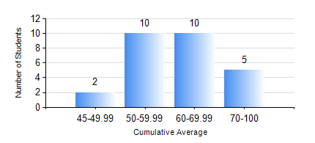
 |  |  | KWAME NKRUMAH UNIVERSITY OF SCIENCE AND TECHNOLOGY, KUMASI Department of Mechanical Engineering

 |  |  | BSC. MARINE ENG.

 |  |  | COMPREHENSIVE RECORD OF EXAMINATION RESULTS

 |  |  | RESULTS OF YEAR 1 SECOND SEMESTER, 2018/2019 ACADEMIC YEAR

 | Sn | Course Code |  | Course Name | Credit Hours | Min. Mark | Max. Mark | Avg. Mark | Std. Dev. | No. Passed | No. Trailed | No. (Df) | No. (I) | No. (I*) | No. Tagged(I,I*,Df) | Total
 | 1. | EE 152 |  | BASIC ELECTRONICS | 2 | 50 | 82 | 63 | 8.32 | 27 | 0 | 0 | 0 | 0 | 0 | 27
 | 2. | ENGL 158 |  | COMMUNICATION SKILLS II | 2 | 41 | 78 | 65 | 8.97 | 27 | 0 | 0 | 0 | 0 | 0 | 27
 | 3. | FC 182 |  | FRENCH FOR COMMUNICATION II | 2 | 40 | 83 | 59 | 14.09 | 27 | 0 | 0 | 0 | 0 | 0 | 27
 | 4. | MATH 152 |  | CALCULUS WITH ANALYSIS | 4 | 40 | 78 | 53 | 10.74 | 27 | 0 | 0 | 0 | 0 | 0 | 27
 | 5. | ME 160 |  | ENGINEERING DRAWING | 3 | 41 | 72 | 58 | 7.71 | 27 | 0 | 0 | 0 | 0 | 0 | 27
 | 6. | ME 164 |  | STATICS OF SOLID MECHANICS | 2 | 28 | 76 | 54 | 13.58 | 24 | 3 | 0 | 0 | 0 | 0 | 27
 | 7. | ME 168 |  | COMPUTER PROGRAMMING FOR ENGINEERS | 2 | 19 | 87 | 54 | 12.74 | 26 | 1 | 0 | 0 | 0 | 0 | 27
 | 8. | MME 174 |  | MARINE ENGINEERING DESIGN PROJECT I | 2 | 49 | 74 | 63 | 6.23 | 27 | 0 | 0 | 0 | 0 | 0 | 27

